Chem - All F Gases
Annualized Emissions
 | 2015 | 2016 | 2017 | 2018 | 2019 | 2020 | 2021 | 2022 | 2023 | 2024 | 2025 | 2026 | 2027 | 2028 | 2029 | 2030 | 2031 | 2032 | 2033 | 2034 | 2035 | 2036 | 2037 | 2038 | 2039 | 2040 | 2041 | 2042 | 2043 | 2044 | 2045 | 2046 | 2047 | 2048 | 2049 | 2050
Total (MMT CO2e) | 30.83 | 35.77 | 40.70 | 45.63 | 50.57 | 55.50 | 61.67 | 67.83 | 74.00 | 80.17 | 86.33 | 98.67 | 111.00 | 123.33 | 135.67 | 148.00 | 166.50 | 185.00 | 203.50 | 222.00 | 240.50 | 256.53 | 272.57 | 288.60 | 304.63 | 320.67 | 335.47 | 350.27 | 365.07 | 379.87 | 394.67 | 411.93 | 429.20 | 446.47 | 463.73 | 481.00

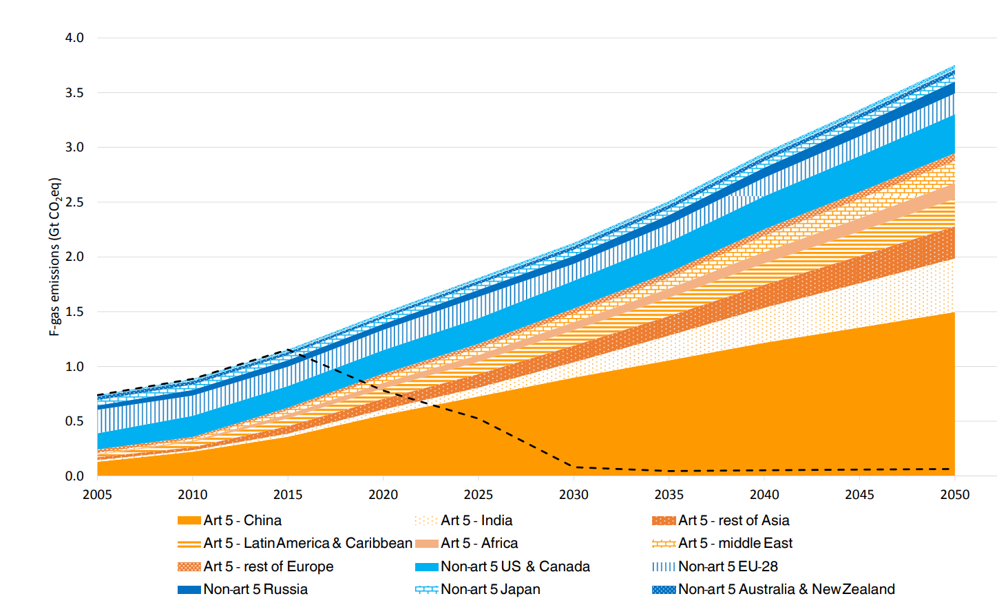

 |  |  |  |  |  |  |  |  |  |  | bottom | top | total | emissions
 |  |  |  |  |  |  |  |  |  | 2015 | 689 | 684 | 5 | 30833
 |  |  |  |  |  |  |  |  |  | 2020 | 658 | 649 | 9 | 55500
 |  |  |  |  |  |  |  |  |  | 2025 | 630 | 616 | 14 | 86333
 |  |  |  |  |  |  |  |  |  | 2030 | 603 | 579 | 24 | 148000
 |  |  |  |  |  |  |  |  |  | 2035 | 579 | 540 | 39 | 240500
 |  |  |  |  |  |  |  |  |  | 2040 | 552 | 500 | 52 | 320667
 |  |  |  |  |  |  |  |  |  | 2045 | 530 | 466 | 64 | 394667
 |  |  |  |  |  |  |  |  |  | 2050 | 507 | 429 | 78 | 481000

 |  |  |  |  |  |  |  |  |  | 2050 Total (Gt CO2e) | 3.7
 |  |  |  |  |  |  |  |  |  | India @13% | 0.481
 |  |  |  |  |  |  |  |  |  | ton per pixel | 6166.6666667

